1. Title Page
Project Name: Instacart Grocery Basket Analysis
Date: March 2024
Analyst Name: Priyanka

Contents:
Population Flow
Consistency checks
Wrangling steps
Column derivations
Visualizations
Recommendations

2. Population Flow
Title page

Population flow

Exclusion flag
Condition: max_order <
Obervations to be removed:
Final total count of order_products_all:

Orders_products_combined
Orders_products_merged
Orders_products_all

Total: 32434212
Total: 32434489
Total: 1955167

1.) The grey boxes in the first row of the population flow represent the original data sets as they were when you downloaded them. In the Total fields you need to add the count of the rows when you imported the data set into Jupyter.
2.) The second row of boxes (coloured) represents the data sets after you manipulated them, e.g., removed missing values and duplicates. In the Total fields you need to add the count of the rows after conducting these operations. This offers a visual oveview of how the data flows throughout the data consistency checks.
3.) The third row, where also the arrows are coloured, represents the merges you performed between the datasets. In the Total fields you need to add the count of the rows in the merged datasets, so that you end up with the final dataset (in the red box). Keep in mind the final dataset should be without exclusions (based on the exclusion flag).

3. Consistency checks
 |  |  |  | Title page
Consistency checks

Dataset | Missing values | Missing values treatment | Duplicates
orders | days_since_last_order: 206209 rows | left as it is | No duplicate values found
products | product_name: 16 rows | Left missing values out and created a new dataframe: "df_prods_clean" with no missingg values | 5 rows of duplicate data in dp_prods were dropped and new dataframe created called:"df_prods_clean_no_dups" with no duplicates.
orders_products_prior
customers | No missing values | None | No full row duplicates found

4. Wrangling steps
 |  |  |  | Title page
Wrangling steps

Columns dropped | Columns renamed | Columns' type changed | Comment/Reason
Orders Data Set
"eval_set" column from df_ords was dropped |  |  | eval_set has data "prior" data which is not relevant to ur analysis.
 | 'order_dow" to a new name "orders_day_of_week" in df_ords" |  | Order_dow is unintutive thus name changed.
 |  | changed data type of column "order_id" to string/object in df_ords | order_id is is for identification and has no quantitative data. Changing data type to string will prevent python from performing statistical functions on this column
 |  | changed data type of column"user_id" in df_ords to string | user_id is is for identification and has no quantitative data. Changing data type to string will prevent python from performing statistical functions on this column
 | change unintutive column name:"days_since_prior_order" to "days_since_last_order" |  | Unintutive column name changed

 | Renaming column name "_merge" in df_combined as I was getting a value error and cannot name the indicated column of the df_merged_final same as the "_merge" column in the df_combined dataframe¶
Products Data Set
None | None | None

Customer data set:
Customer data set: Dropping columns: "Gender" and "date_joined" as they are not needed for our analysis | Customer data set: Renaming column "Surnam" to Last_Name "fam_status" to family_status" and "n_dependants" to Number_of_dependants | Customer data set: : changing data type of column:"user_id" to string so it doesnt get used for aggregation

5. Column derivations
 |  |  |  | Title page

Column derivations and aggregations

In this tab you should add tables below that the frequences of flags/label variables that you produced after deriving them. NB: don't do this for continuous variables, only for flags.
Dataset | New column | Column/s it was derived from | Conditions
df_merged_large | _merge, later name renamed to: df_combined_merge | order_id | indicator = True, inner join
df_merged_large_outer | _merge | order_id | Indicater= True, outer join
df_merged_final | _merge | product_id | indicator = True, inner join
df_merged_final_2 | _merge | product_id | Indicater= True, outer join

df(subset with 1000000 rows from df_ords_prods_merge dataframe | price_range | prices | f the item’s price is lower than or equal to $5, it will be labeled a “low-range product.” If the item’s price is above $5 but lower than or equal to $15, it will be labeled a “mid-range product.” If the item’s price is above $15, it will be labeled a “high-range product.”
df | price_range_loc | prices | f the item’s price is lower than or equal to $5, it will be labeled a “low-range product.” If the item’s price is above $5 but lower than or equal to $15, it will be labeled a “mid-range product.” If the item’s price is above $15, it will be labeled a “high-range product.”
df_ords_prods_merge | price_range_loc | prices | f the item’s price is lower than or equal to $5, it will be labeled a “low-range product.” If the item’s price is above $5 but lower than or equal to $15, it will be labeled a “mid-range product.” If the item’s price is above $15, it will be labeled a “high-range product.”
df_ords_prods_merge | busiest_day | order_dow | “Busiest day is 0(Saturday),” “Least busy is 4 (Wednesday),” and “Regularly busy are other days.
df_ords_prods_merge | busiest_days | order_dow | two busiest days= 0(Saturday) and 1(Sunday) and two slowest days = 4(Wednesday and 3(Tuesday)

df_ords_prods_merge | busiest_period_of_day | order_hour_of_day | Most orders = 10,11,14,15,13,12,16,9
 |  |  | Average orders = 17,8,18,19,20,7,21,22
 |  |  | Fewest orders = 23,6,0,1,5,2,4,3
ords_prods-merge | max_order_no | order_number | to determine maximum order number for each use
ords_prods_merge | Loyalty_flag | max_order_no | rmaximum orders the user has made is over 40, then the customer will be labeled a “Loyal customer.” maximum orders the user has made is over 10 but less than or equal to 40, then the customer will be labeled a “Regular customer maximum orders the user has made is less than or equal to 10, then the customer will be labeled a “New customer.”
ords_prods_merge | avg_price_orders | prices | to calculate mean of prices of products
ords_prods_merge | spending_flag | ords_prods_merge | If the mean of the prices of products purchased by a user is lower than 10, then flag them as a “Low spender.” If the mean of the prices of products purchased by a user is higher than or equal to 10, then flag them as a “High spender.”
ords_prods_merge | median_days_since_prior_order | days_since_prior_order | median in the “days_since_prior_order” column
ords_prods_merge | frequency_flag | median_days_since_prior_order | If the median of “days_since_prior_order” is higher than 20, then the customer should be labeled a “Non-frequent customer.” If the median is higher than 10 and lower than or equal to 20, then the customer should be labeled a “Regular customer.” If the median is lower than or equal to 10, then the customer should be labeled a “Frequent customer.”

6. Visualizations
 |  |  |  |  | Title page

Visualisations

In this tab you should include all the visualtions from Exercises 4.9 and 4.10, alongside the questions from the project brief that they answer. Include any commentary on the relationship between different variables.

Key Question 1: | Key Question 1: | Key Question 2: | Key Question 2: | Key Question: 3
The busiest days of the week | The busiest hour of the day | Times of the day when people spend the most money | Times of the day when people spend the most money based on Regions | Show distribution of price range groupings to help direct their efforts of Marketing and Sales
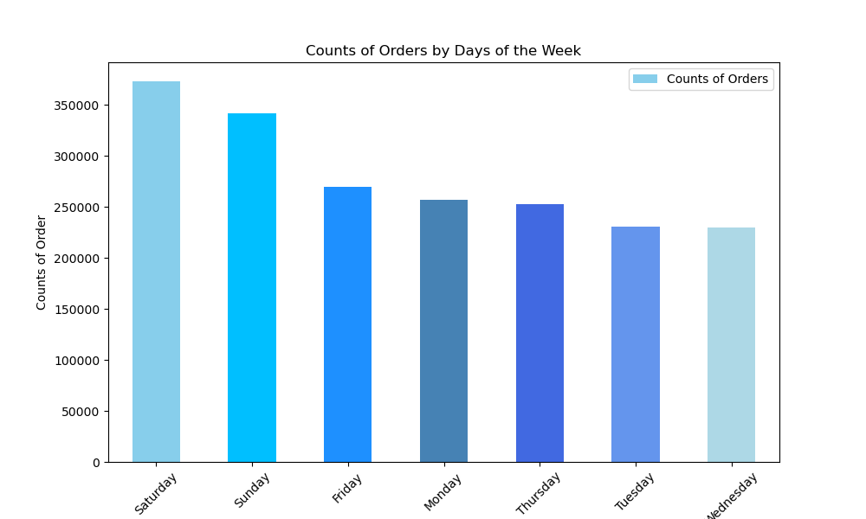
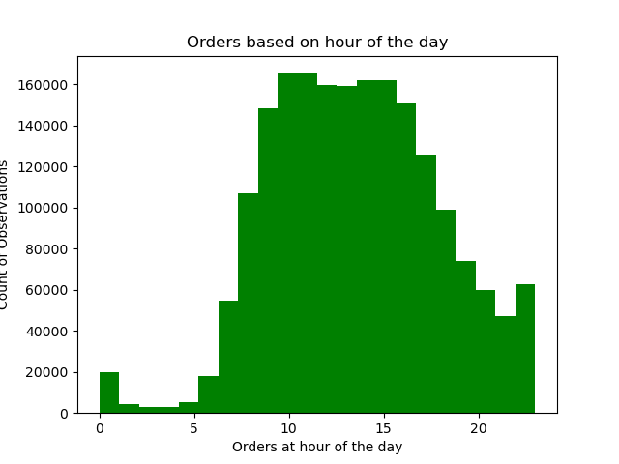
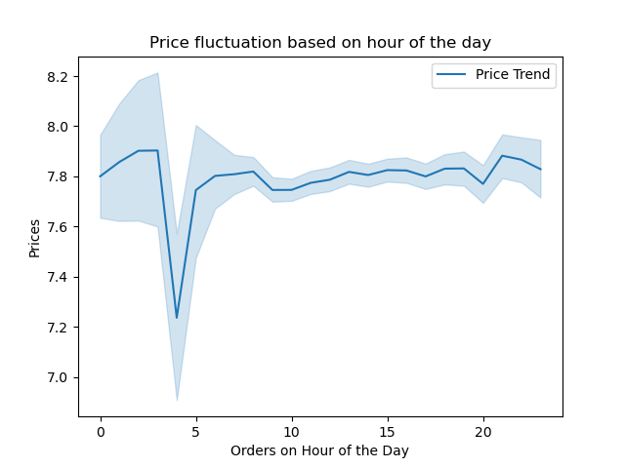
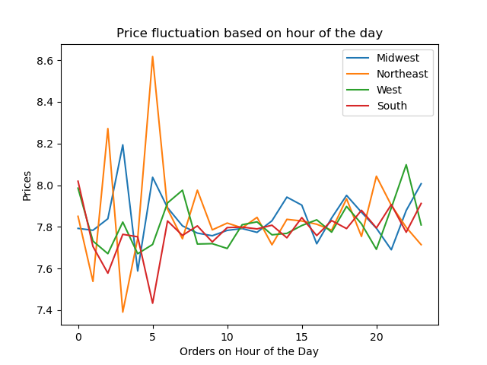
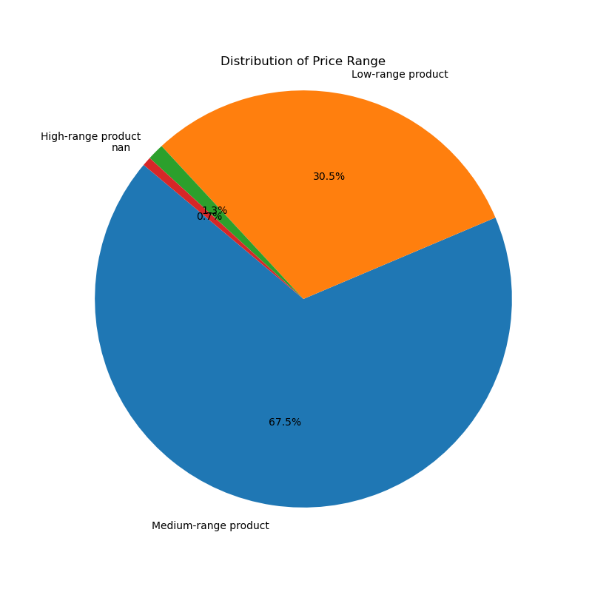

0= Saturday, 1 = Sunday, 2= Monday, 3= Tuesday, 4= Wednesday, 5= Thursday, 6= Friday | The most active period during the day spans from 9:00 AM until 4:00 PM, maintaining its high level of activity. However, activity gradually declines after 4:00 PM, reaching its lowest point after midnight and between 5:00 AM. | Prices are constant throughout the day except for a dip between 3AM to 5AM | By Price of Products and Regions: Price of products are higher in the NorthEast Region and lowest in the South Region between 5 to 6 AM. | Mid_Range Products highest sale: 67.5% Low-Range Products: 2nd highest sales: 30.5% High_Range Products: 1.3% Missing Values: 0.7%
Saturday and Sunday are the busiest day of the week and Tuesday and Wednesday and the least busy days of the week

Key Question: 4 | Key Question: 5 | Key Question: 6 | Key Question: 6 | Key Question: 6
Products that are more are more popular than others | Distribution among users in regards to their brand loyalty | Customer’s loyalty status based on Day of the week | Customer’s loyalty status based on Hour of the Day | Customer’s loyalty status based on Price Range of products
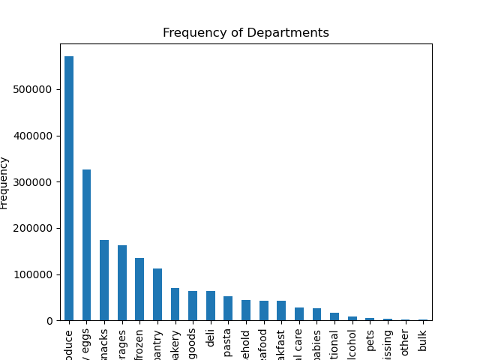
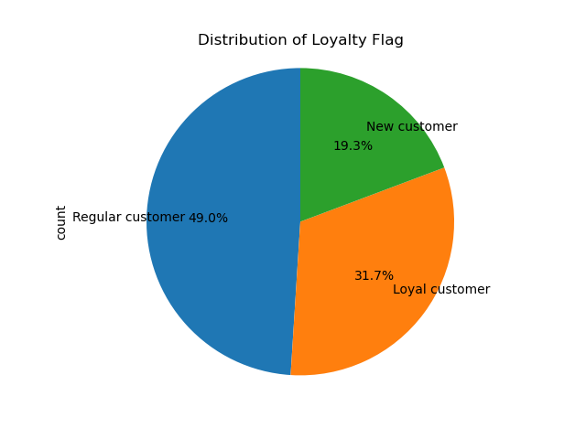
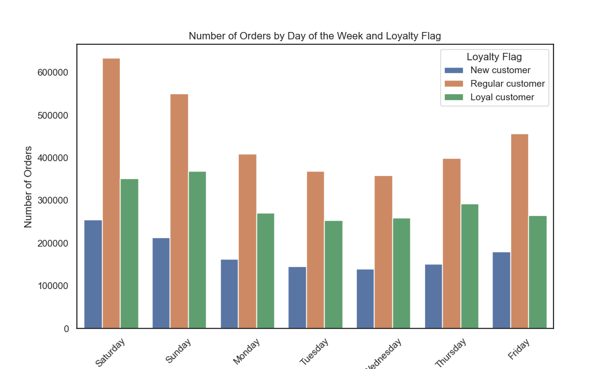
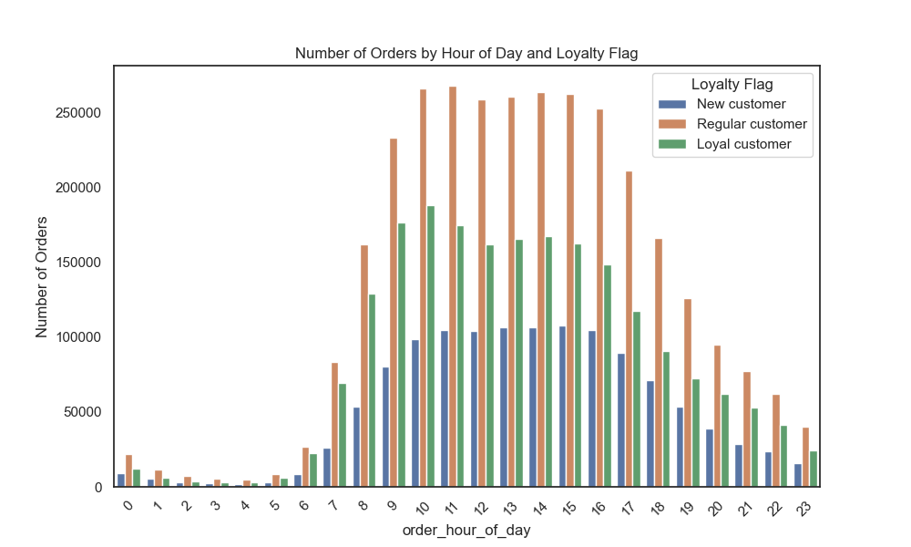
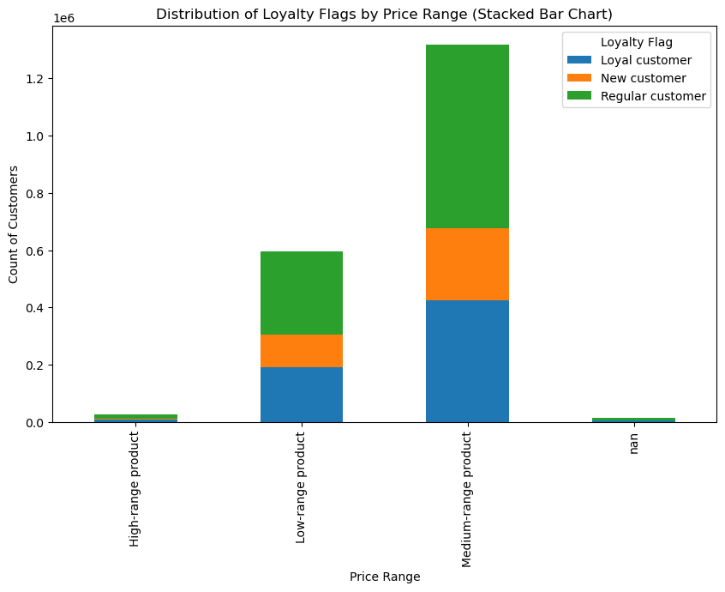

Highest Selling : Produce,Dairy/Eggs and Snacks Lowest Selling: Bulk,Other and Dressing | Regular Customers: 49% Loyal Customers: 31.7% New Customers: 19.3% | Loyal Customers have most orders: Saturday and Sunday Loyal Customers have least orders: Tuesday & Wednesday | Loyal Customers have high orders between 10:00 AM to 4:00 PM and orders decline after 4:00 PM | Loyal Customers have high orders of medium-range products and least orders of low-range products

Key Question: 7 | Key Question: 7 | Key Question: 7 | Key Question: 8 | Key Question: 9
Ordering habits with Day of Week based on a customer’s region | Ordering habits with Hour of Day based on a customer’s region | Ordering habits with Price Range based on a customer’s region | Connection between age and family status in terms of ordering habits | Age_Criteria: Young Adult < 30, Middle Aged Adult >=30 & <= 50, Senior Adult > 50
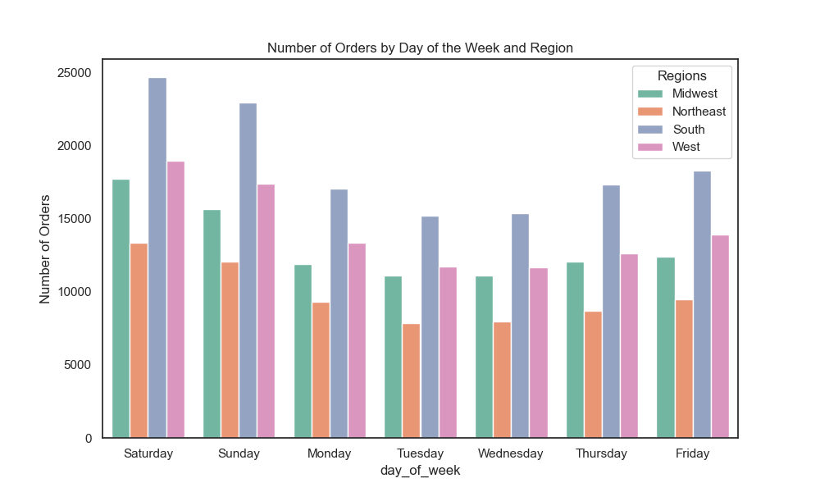
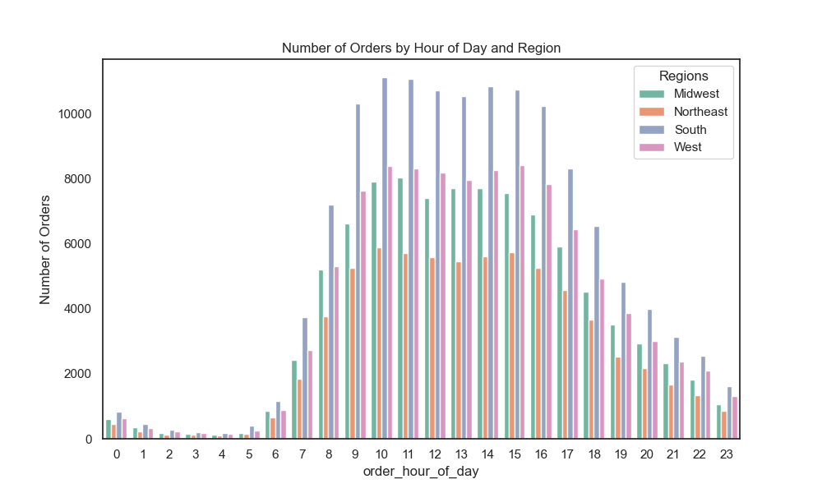
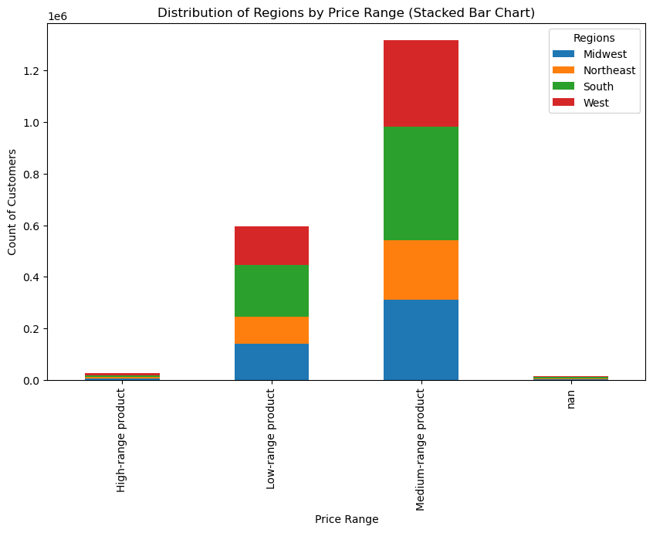
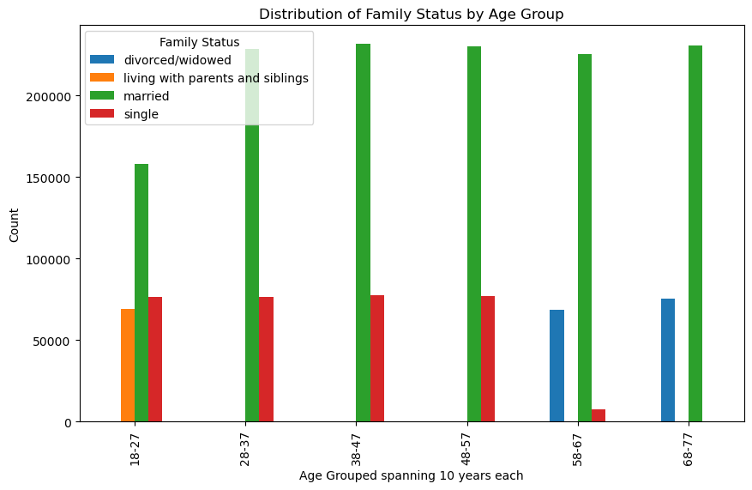
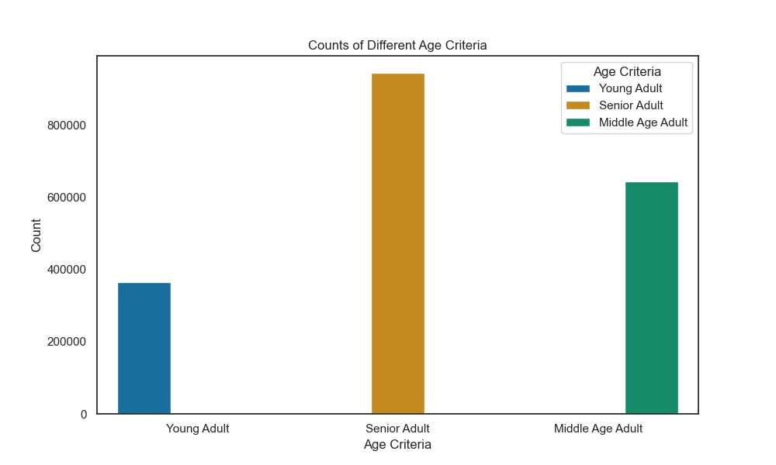

South Region have the highest orders Northeast Region have the least orders The pattern of day of week ordering stays the same | South Region have the highest orders between 9AM to 4PM Northeast Region have the least orders based on all regions The pattern of hour of day ordering stays the same amongst all regions | South Region have the highest orders with Mid-range product and least orders with High-range products Northeast has the least orders amongst all Regions | Married Family Status (Ages 22 to 81): wide age range Living with Parents (Ages 18 to 21): Single (Ages 18 to 59): Divorced/Widowed (Ages 60 to 81): | Highest Count of Customers: Senior Adult Category Lowest Count of Customers: Young Adult Category

Key Question: 9 | Key Question: 9 | Key Question: 10 | Key Question: 10 | Key Question: 10
Income Criteria: Low Income < 90,000 and High Income > 90,000 | Dependant Status | Product High and Low Income Customers are ordering | Price of Products | Income Criteria based on Region
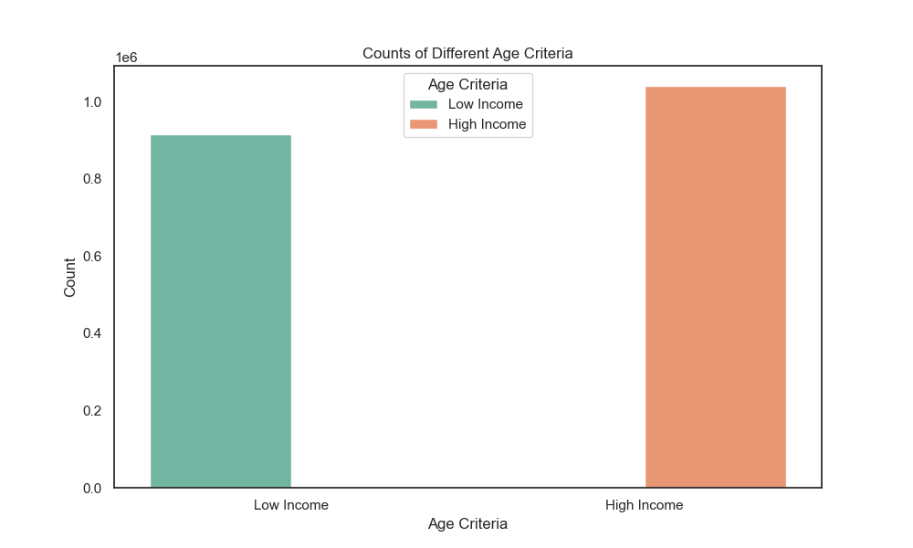
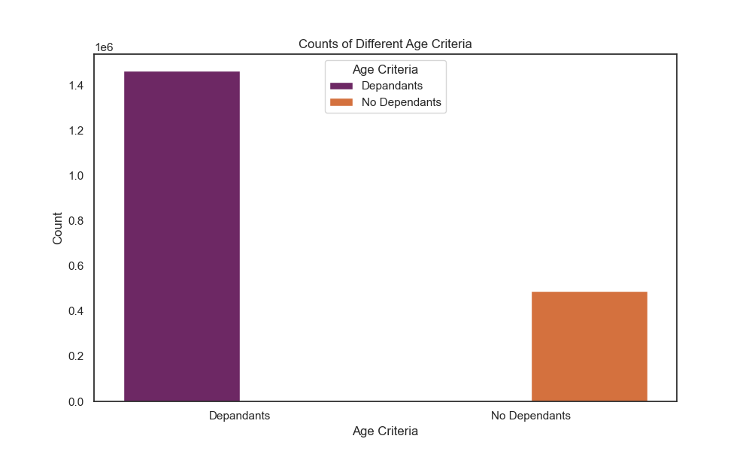
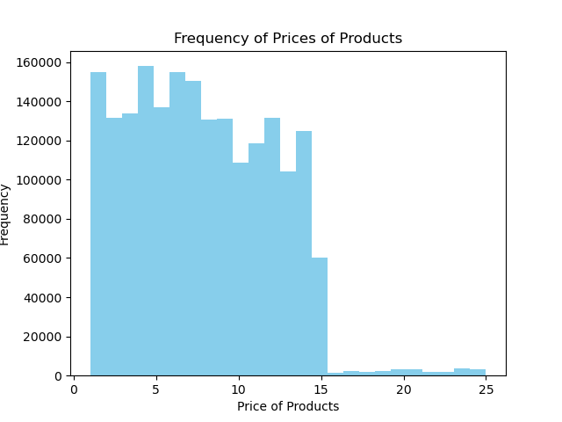
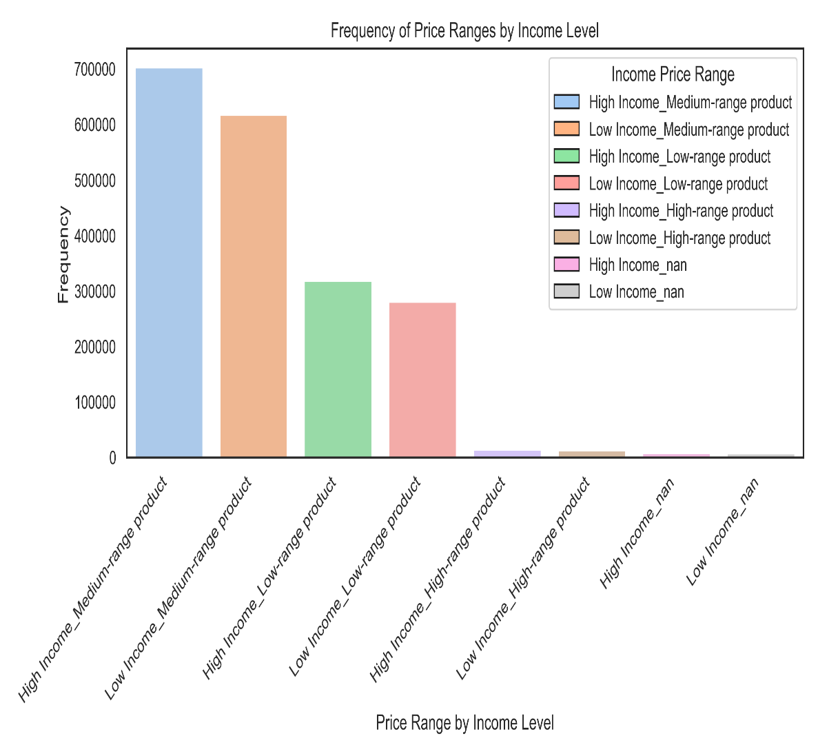
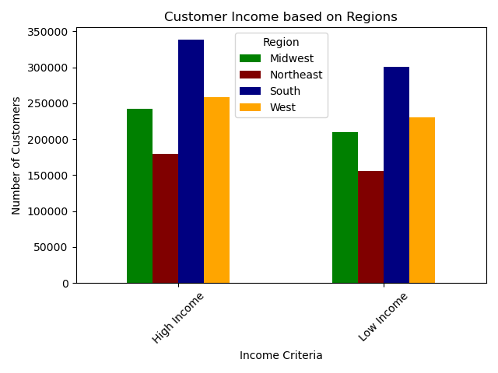

Highest Count of Customers: High Income Category Lowest Count of Customers: Low Income Category | Highest Count of Customers: Dependants Lowest Count of Customers: No Dependants | Products ordered the most range between $2 to $15 Products ordered lest range over $15 | High Income Customers ordering : Medium-range products Low Income Customers ordering: Medium-range products Lest orders are of High-range products for both High and Low Income customers | South Region: highest number of Customers for High and Low Income Category Northeast Region: lowest number of customers for High and Low Income Category

7. Recommendations
 |  | Title page

Recommendations

In this tab you should include any recommendations you would made to Instcart in terms of their marketing strategy based on the questions posed in the brief. Every key question has been covered in the Tasks of the Exercises - here you need to add an item - a visualisation or table/crosstable that is showing the answer in the data, acompanied by a comment from you. Please, list the questions below and add the answer underneath.

Question | Answer

Key Question 1: | Key Answer 1:
The sales team needs to know what the busiest days of the week and hours of the day are (i.e., the days and times with the most orders) in order to schedule ads at times when there are fewer orders. | To optimize ad scheduling, the sales team should consider placing ads during: ►least busy days (Tuesday and Wednesday) and during ►least busy hours (between 5:00 AM - 9:00 AM and after 4:00 PM until midnight) to maximize visibility and potential customer engagement. ►Product Highlighting: Showcase advertisements during the least busy days and hours which can help drive sales for products that may otherwise be overlooked during busier periods. ►Targeted Promotions and Offers: Offer exclusive discounts or bundle deals during off-peak times to attract customers who may be less inclined to shop during busier periods.

Key Question 2: | Key Answer 2:
What particular times of the day when people spend the most money, as this might inform the type of products they advertise at these times. | ►Generally, people spend the same amount of money throuout the day, except between 3 AM to 5 AM whan a dip in money spent in noticed ►Additionally, there is a spike in prices between 5 to 6 AM in the NE Region. ►Advertise High-priced Products During Peak Spending Hours: During the peak spending hours of the day Instacart should advertise high-priced products to capitalize on customers' willingness to spend. ►Pricing Strategies: during peak spending hours, prices for high-demand products could be slightly increased to gain additional revenue

Key Question 3: | Key Answer 3:
Instacart has a lot of products with different price tags. Marketing and sales want to use simpler price range groupings to help direct their efforts. | ►We have categorized products based on prize into 3 categories: i)Low-range, ii) MId-range, iii)High-range Amongst these three: Mid-range products are the most popular, followed by low-range products. High-range products have a relatively smaller market share. Additionally, there's a small proportion of sales with missing values. ►The marketing and sales team can focus their efforts on promoting mid-range and low-range products, as they collectively make up a significant portion of sales. They should also ensure that missing values are addressed to provide accurate insights into sales data. This could involve identifying and resolving issues with data collection or ensuring that all products are properly categorized with price information.

Key Question 4: | Key Answer 4:
Which products are more popular than others? The marketing and sales teams want to know which departments have the highest frequency of product orders | ►Popular departments: The Produce, Dairy/Eggs, and Snacks departments have demonstrated higher frequency of product orders, indicating stronger customer interest.Marketing and sales team can promote products from these departments ►Analyze and Improve Low-Selling Departments: Conduct market research and customer surveys to better understand customer preferences and identify opportunities for improvement with lowest selling departments- bulk, other and dressing. ►Cross-Promotion and Bundling: offer discounts or bundle deals that include products from both the Produce and Dressing departments to encourage customers to explore less popular categories

Key Question 5: | Key Answer 5:
What’s the distribution among users in regards to their brand loyalty (i.e., how often do they return to Instacart)? | Distribution among users on their brand loyalty on Instacart: Regular Customers: 49%, Loyal Customers: 31.7%, New Customers: 19.3% ►Customer Retention Strategies: Focus on retaining regular and loyal customers by implementing customer loyalty programs, personalized offers, and rewards for repeat purchases ►Onboarding and Engagement for New Customers: Develop targeted onboarding processes and engagement strategies for new customers to enhance their initial experience with Instacart ►Feedback Mechanisms: Implement feedback mechanisms to gather insights from customers at different stages of their journey, including new, regular, and loyal customers.

Key Question 6: | Key Answer 6:
Are there differences in ordering habits based on a customer’s loyalty status? | ►Loyal customers place the orders during weekends (Saturday and Sunday) and fewer orders midweek period (Tuesday & Wednesday), indicating a preference for weekend shopping. ►Peak ordering hours for loyal customers occur between 10:00 AM to 4:00 PM, suggesting that they are more active during daytime hours. There is a decline in orders after 4:00 PM, indicating a shift in behavior towards the latter part of the day. ►Loyal customers show a preference for medium-range products, with fewer orders placed for low-range products. ►Tailored Marketing Strategies: Promotions and advertisements should be scheduled to coincide with peak ordering times, particularly during weekends and daytime hours. ►Product Assortment Optimization: Ensure that there is a wide selection of medium-range products available on the platform. Conversely, consider strategies to boost the visibility and appeal of low-range products to increase their uptake among loyal customers.

Key Question 7: | Key Answer 7:
Are there differences in ordering habits based on a customer’s region? | ►Differences in Ordering Patterns by Region: The South Region experiences the highest volume of orders, whereas the Northeast Region exhibits the lowest, particularly notable on Saturdays and Sundays, and least on Tuesdays and Wednesdays. Additionally, peak order times typically occur between 9:00 AM to 4:00 PM. Furthermore, mid-range products are predominantly favored in the South Region. ►Targeted Regional Marketing: Invest in advertising campaigns and promotions to capitalize on the higher demand in South region. ►Delivery Logistics Optimization: Ensure that there are enough delivery personnel and vehicles available to handle the increased order volume during 9:00 AM to 4:00 PM to meet the peak demand hours in the South Region ►Price Range Optimization: Since customers in the South Region show a preference for mid-range products, ensure competitive pricing and availability of such products to maximize sales. Consider offering promotions or discounts on high-range products in the Northeast Region to stimulate demand

Key Question 8: | Key Answer 8:
Is there a connection between age and family status in terms of ordering habits? | ►Married Family Status (Ages 22 to 81): This group comprises the largest number of customers. There ordering habits may be influenced by responsibilities such as managing household groceries for a family. ►Living with Parents (Ages 18 to 21): Ordering habits may possibly influenced by their familial environment and household dynamics. ►Single (Ages 18 to 59): Ordering habits may be influenced by lifestyle preferences, career demands, and living arrangements. ►Divorced/Widowed (Ages 60 to 81): This category includes older individuals who are divorced or widowed, typically aged 60 and above. Ordering habits for this group could be influenced by factors such as living alone, health considerations, and changes in household dynamics. ►Personalized Recommendations: Use customer data to personalize product recommendations such as recommending larger quantities or family-sized packages to married customers, and smaller portions or individual servings to single customers.

Key Question 9: | Key Answer 9:
What different classifications does the demographic information suggest? Age? Income? Certain types of goods? Family status? | ►Age: highest count of customers falls within the Senior Adult category, while the lowest count of customers is in the Young Adult category. ►Income: highest count of customers is in the High Income category, whereas the lowest count of customers is in the Low Income category. ►Dependents: highest count of customers has dependents, while the lowest count of customers does not have dependents. ►Customized Pricing Strategies: Offer discounts, promotions, or loyalty programs that appeal to both high-income and low-income customers, ensuring accessibility and affordability for all. ►Targeted Marketing and Product Offerings: Focus on promoting products and services that are relevant to the Senior Adult category, such as health and wellness products, convenience items, and specialized services tailored to their lifestyle.

Key Question 10: | Key Answer 10:
What differences can you find in ordering habits of different customer profiles? Consider the price of orders, the frequency of orders, the products customers are ordering, and anything else you can think of. | ►Price Sensitivity: high and low-income customers tend to order medium-range products the most, indicating a similar level of price sensitivity across income groups. This suggests that customers are more concerned with value for money rather than just the price point. ►Product Preference: medium-range products are popular across the board, it might be beneficial to focus on expanding this product category or offering related products. ►Regional Differences: South region has the highest number of customers for both high and low-income categories, whereas the Northeast region has the lowest. This suggests promotions or discounts tailored to the preferences of customers in the South region may yield higher returns. ►Product Pricing Strategy: offering discounts or promotions on high-range products could incentivize customers to purchase them more frequently, thereby increasing overall revenue. ►Customer Segmentation: Further targeting specific customer segments with tailored messages and offers, businesses can improve customer engagement and loyalty.

